Aqua
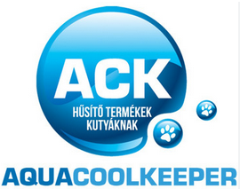
 |  |  |  |  | 96 pcs per size per carton
 |  |  | 12-16 cm | 15 -19 cm | 17 - 24 cm
Photo | Article | Description | S | M | L | Total | RRP/UVP
 | 50AQWRCL05 | Aqua Coolkeeper Cooling Wristband Classic 05, Polyester 100% | 336 | 1318 | 700 | 2354 | € 14.95
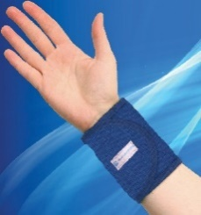 | 50AQWRPB05 | Aqua Coolkeeper Cooling Wristband Pacific Blue 05, Polyester 100% | 1206 | 4948 | 4770 | 10924 | € 14.95
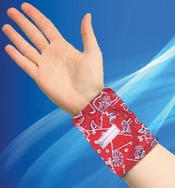 | 50AQWRRW05 | Aqua Coolkeeper Cooling Wristband Red Western 05, Polyester 100% | 398 | 1060 | 1314 | 2772 | € 14.95
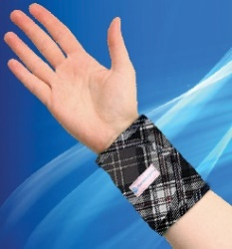 | 50AQWRSG07 | Aqua Coolkeeper Cooling Wristband Scottish Grey 07, Polyester 100% |  | 268 |  | 268 | € 14.95
 |  |  |  |  |  | 16318

